Block Schedule
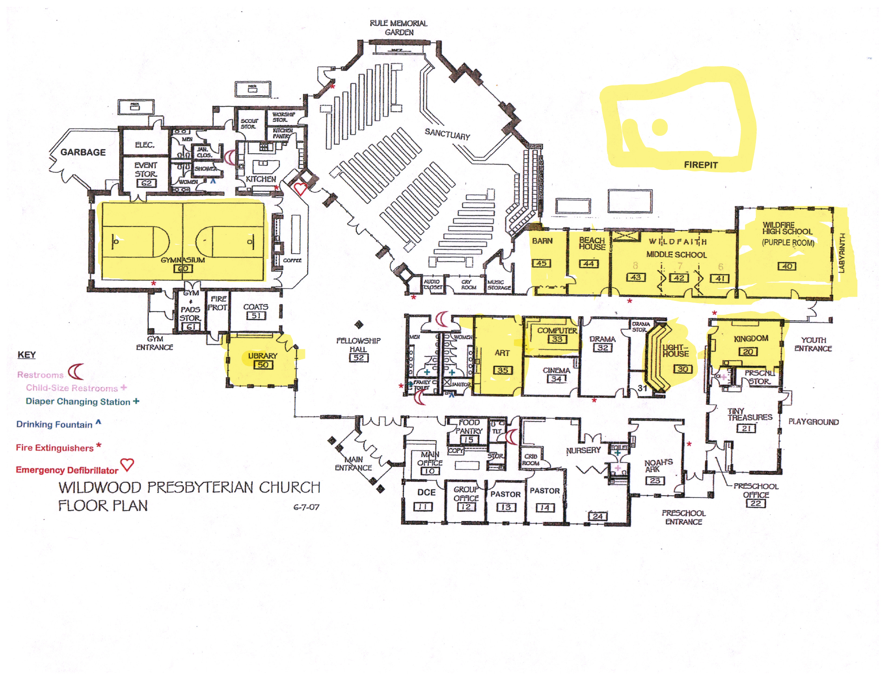
 | 2026 Scouting America Council Training Day - Block Schedule
 | Saturday, November 7, 2026 | Wildwood Presbyterian Church | Classes 8:30 a.m.-5:00 p.m.
 | Morning: 8:30 a.m.-12:30 p.m. | Lunch: 12:30-1:00 p.m. | Afternoon: 1:00-4:00 p.m.; only 3.5- or 4-hour courses continue past 4:00

7am - staff arrival & setup | Room | 8:30-9:30 | 9:30-10:30 | 10:30-11:30 | 11:30-12:30 | Lunch 12:30-1:00 | 1:00-2:00 | 2:00-3:00 | 3:00-4:00 | 4:00-5:00
8am - arrival | Firepit (Outside) | Outdoor Cooking Course at 10:30 area reserved all morning for setup and takedown Bob Willegal |  |  |  | LUNCH | Outdoor Ethics (4 hrs) (Outside Location) Mike Anderson
8:15am - opening ceremonies | Gymnasium | Knot Tying Matt Morgan; Bob Willegal; Jim Hinz | Lashings Matt Morgan; Bob Willegal; Jim Hinz | Intro to Cold Weather Camping - Offering 2 Mike Hageman; Alan Manders | High Adventure TBD (master suggests Brian Hoffman?) | LUNCH | Intro to Cold Weather Camping - Offering 1 Mike Hageman; Alan Manders | High Adventure: Worth the Weight Tim Baldocchi (Rory Fencl; Allan Short)
8:30 - classes start | Library 50 | Catholic Religious Emblems (2 hrs) Tony & Patrice Steenkolk; Nancy Kleiber |  | Scouting America Religious Emblems - Offering 1 Tony & Patrice Steenkolk | Scout's Own Service / Duty to God Dale Message | LUNCH | Scouting America Religious Emblems - Offering 2 Tony & Patrice Steenkolk | ADD/ADHD & Autism - Offering 2 Johnny Bruder | Special Needs Scouting - Course 2 Sharlene Lee | OPEN
 | Beach House 44 | Troop Committee Challenge - Offering 1 (3 hrs) Carla Martinek |  |  | OPEN | LUNCH | Troop Committee Challenge - Offering 2 (3 hrs) Carla Martinek |  |  | OPEN
 | Computer 33 | Merit Badge Counselors - Offering 1 Patty Chojnacki | Scouting Advancement Coordinator Laura Shamberg | Boards of Review Patty Chojnacki | Scoutbook - Offering 1 Frank Moens | LUNCH | Merit Badge Counselors - Offering 2 Patty Chojnacki | Scoutbook - Offering 2 Frank Moens | OPEN | OPEN
 | Barn 45 | SM/ASM Position-Specific Training - Offering 1 (4 hrs) Mike Dashnaw |  |  |  | LUNCH | SM/ASM Position-Specific Training - Offering 2 (4 hrs) Mike Dashnaw
 | Art 35 | Nuclear Science Merit Badge (3.5 hrs) TBD |  |  |  | LUNCH | Public Health Merit Badge (3.5 hrs) TBD
 | Wildfaith 41 | Den Chief Training (3.5 hrs) TBD |  |  |  | LUNCH | Fundamentals of Training Part 1 (4 hrs) TBD
 | Wildfaith 42 | ADD/ADHD & Autism - Offering 1 Johnny Bruder | Special Needs Scouting - Course 1 Betsy Uzzell | Scout Age Characteristics & Behavior Sharlene Lee | Year-Round Recruiting of Scouts Jack Troester | LUNCH | Recognizing Adult Volunteers Caroline Thacker | Retention of Scouts Vince Dasta (confirm as lead) | Service Projects TBD replacement for Paul Hettich | OPEN
 | Wildfaith 43 | Cub Scout Leader Training (3 hrs) Cindy; Dave Johnson; Mary Wadleigh |  |  | Arrow of Light to Troop Transition Sharlene Lee | LUNCH | Cub Scout Activities & Outings Allan Short | Cub Scout Crafts Laura Shamberg | Ceremonies for Packs & Dens Dale Message | OPEN
 | Wildfire High School / Purple Room 40 | CPR/AED - Offering 1 (3 hrs; additional $65) Steve Mosias |  |  | OPEN | LUNCH | CPR/AED - Offering 2 (3 hrs; additional $65) Steve Mosias |  |  | OPEN
 | Kingdom 20 Preschool Room | Venturing Crew Adult Leader Training Gary Walton | Mentor Training for Venturing Crews (2 hrs) Gary Walton |  | OPEN | LUNCH | Project Management for Venturing Crews (2 hrs) Gary Walton |  | Engaging Older Youth Gary Walton | OPEN
 | LightHouse 30 (open area theater seating) | OPEN | OPEN | OPEN | Basic Birding Mary Wadleigh | LUNCH | Outdoor Ethics (4 hrs) (Inside Backup Location) Mike Anderson

 | All 47 required offerings are represented. Kingdom 20 is the Venturing track; both merit badges share Art 35; SM/ASM remains in Barn 45 all day.
 | Trainer follow-up: Den Chief Training, Nuclear Science, Public Health, Fundamentals of Training, High Adventure, Service Projects replacement, and Retention lead confirmation.

